LVDS_TX_Discharge(ES1)
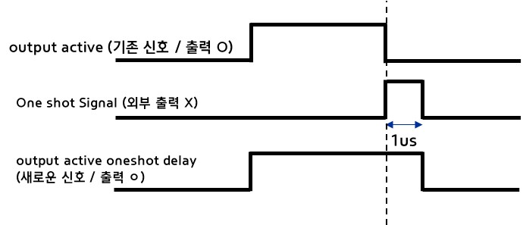
Signals | Description | Function | 추가유무
SIO1_OUTPUT_ACTIVE | SIO1 Tx Enable |  | 기존
SIO2_OUTPUT_ACTIVE | SIO2 Tx Enable |  | 기존
SIO1_OUTPUT_ACTIVE_ONESHOT_DELAY | SIO1 Tx Output discharge | 1~2us High Pulse after SIO1_OUTPUT_ACTIVE falling | 추가
SIO2_OUTPUT_ACTIVE_ONESHOT_DELAY | SIO2 Tx Output discharge | 1~2us High Pulse after SIO2_OUTPUT_ACTIVE falling | 추가

